CA
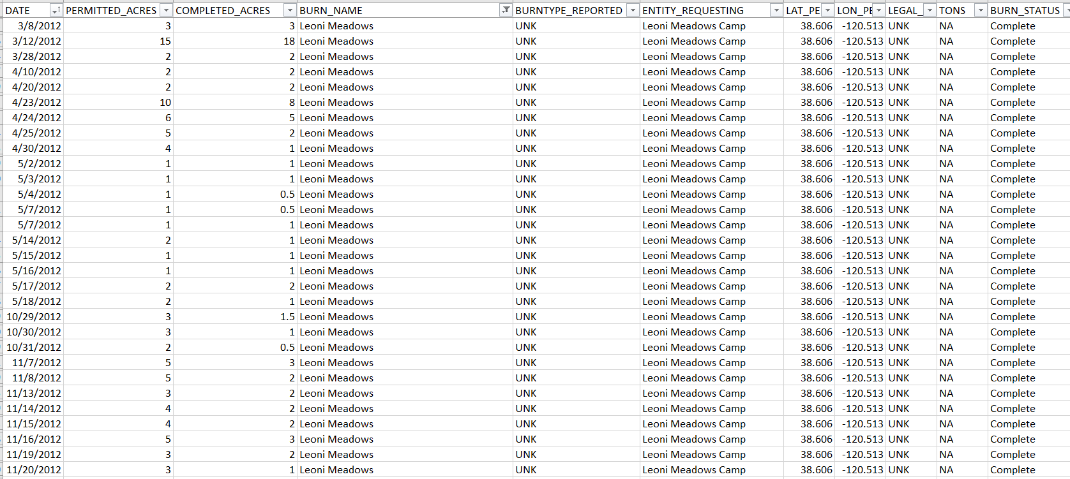
remove duplicate records

find unique burns
probably need to find duplicates in the processed vs. the ready data
search to see if there are units w/o burn names that have multiple requests (I think every row has a burn name)
use unique combo of burn unit name, year, lat/lon, (agency), burn type

record date as the date of max acres accomplished; if no acres accomplished, record date of first request
need to sum tons or remove from summary table

